Hoja 1
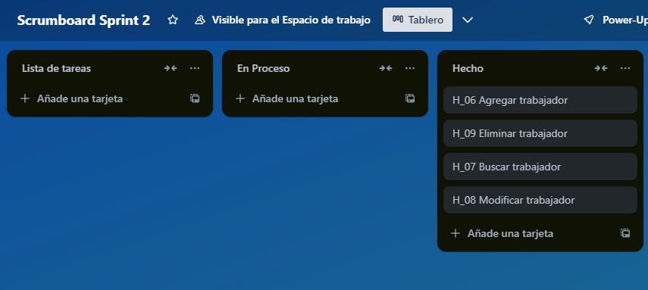
Link: https://trello.com/invite/b/6752380d93b400b2ad3a9f28/ATTI23a458db21561e40e85c1e765378969065D8AAAD/scrumboard-sprint-2

